Population_flows
Population Flows

Order_
Product Combined

Order_
Product Mergerd

Order_
Product_
Customers

 | This color shapes represent the Original Data which was downloaded online and in Original Form with the Data they have.
 | This color shapes represent the Data after the consistency check .For ex, Missing Values,removing Duplicates,changing the Data types.

 | This Color shapes represent the Data set ,we merged and name of the Merged Data Set and with the arrows we representing which two Data set are merging.

Visualisation
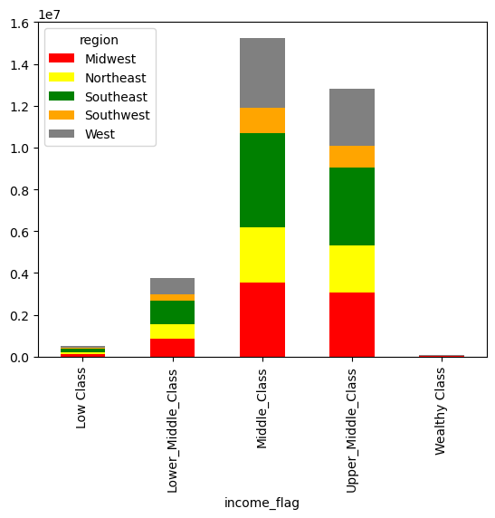
Visualsation

Question 1: The sales team needs to know what the busiest days of the week and hours of the day are (i.e., the days and times with the most orders) in order to schedule ads at times when there are fewer orders.

Answers: Saturday ,sunnday and Friday are the busiest days in the week and between 10 to 15 hours is the time when most orders received. So the order is less in early morning and Late evening i.e from 16:00pm - 9:00am, the marketing team can schedule more ads in weeksdays and from 16:00 to 9:00am.

Orders in hours of Days

Orders in Days of week
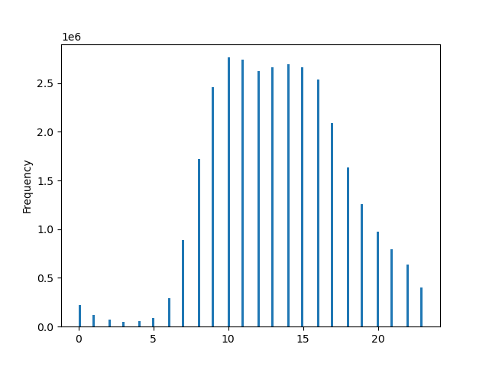

Question 2: The sales team needs to know whether there are particular times of the day when people spend the most money, as this might inform the type of products they advertise at these times?
Answers: The charts shows that the Low frequency of orders with a most spending money are placed between 6- 8 am. And high frequency of order with low spending is between 9 am to 23 pm. Sales team can use these hours to inform the type of products they advertise.

Orders in hours of Days
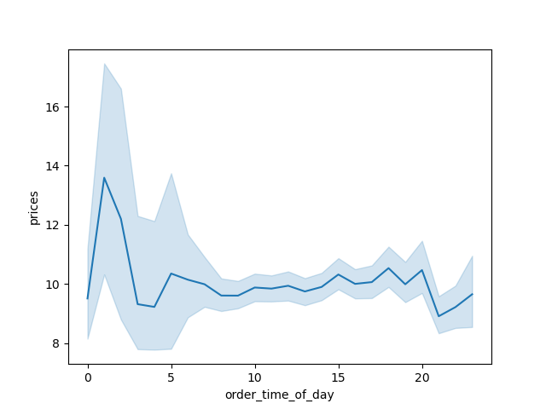
Spending Habit in hours of Days

Question3: Instacart has a lot of products with different price tags. Marketing and sales want to use simpler price range groupings to help direct their efforts.

Answers: The most popular category of product is Dairy aggs,beverages,frozen,pantry, snacks and personal care. The High range product is Dairy egg and meat seafood.

Orders in hours of Days

Question 4: Are there certain types of products that are more popular than others? The marketing and sales teams want to know which departments have the highest frequency of product orders.

Answers: Snacks and personal care is the product are popular than other.

Question 5:The marketing and sales teams are particularly interested in the different types of customers in their system and how their ordering behaviors difference.

5.1What’s the distribution among users in regards to their brand loyalty ?
Ans: 51% of orders have been placed by regular customers, 33% by loyal customers, and the remaining 16% are submitted by new customers.
5.2 Are there differences in ordering habits based on a customer’s loyalty status?
Ans: The most of customer are coming back and purchased the good.
Loyality status of Customers
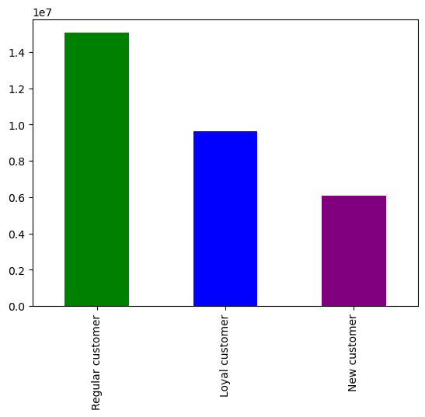

5.3 Are there differences in ordering habits based on a customer’s region?
Ans: yes,there is difference in ordering habit according to the region. The south region are orderning the most goods.

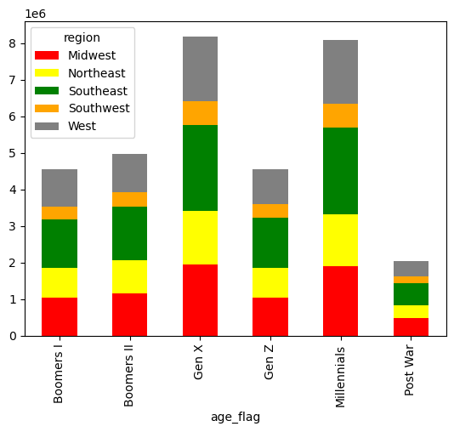

5.4: What different classifications does the demographic information suggest? Age? Income? Certain types of goods? Family status?
I did not found that the order affect by age,income and famiy status.
Income and age
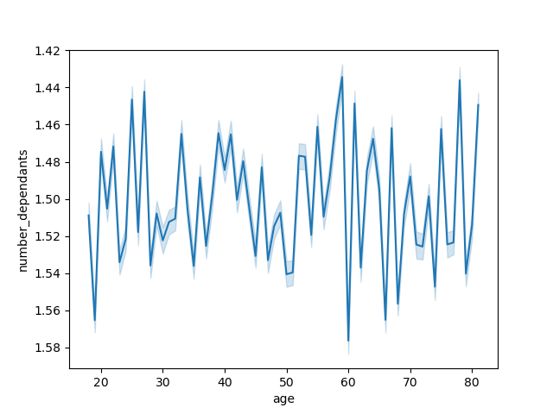
Age and dependent member



Income and Regions

